3.RESPONSIVE TESTING
RESPONSIVE TESTING ON FACEBOOK LOGIN PAGE IN DIFFERENT DEVICES

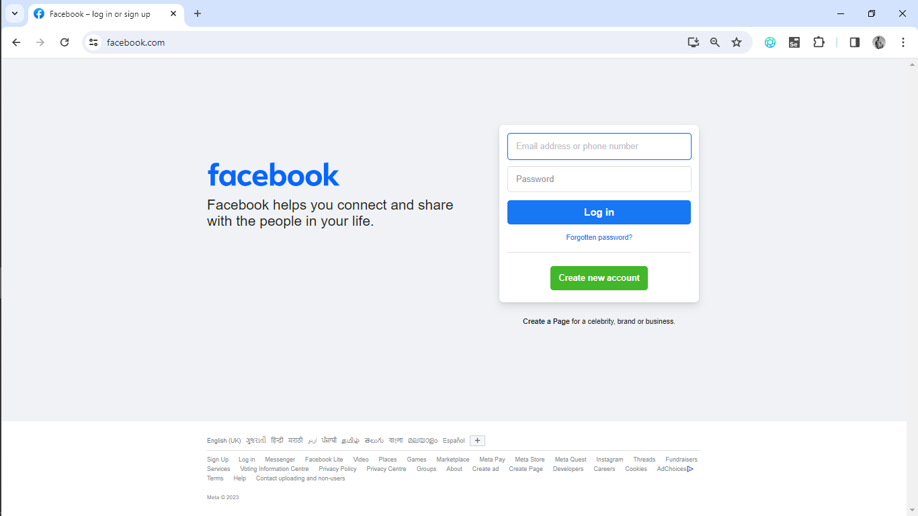
1 | DESKTOP LAYOUT

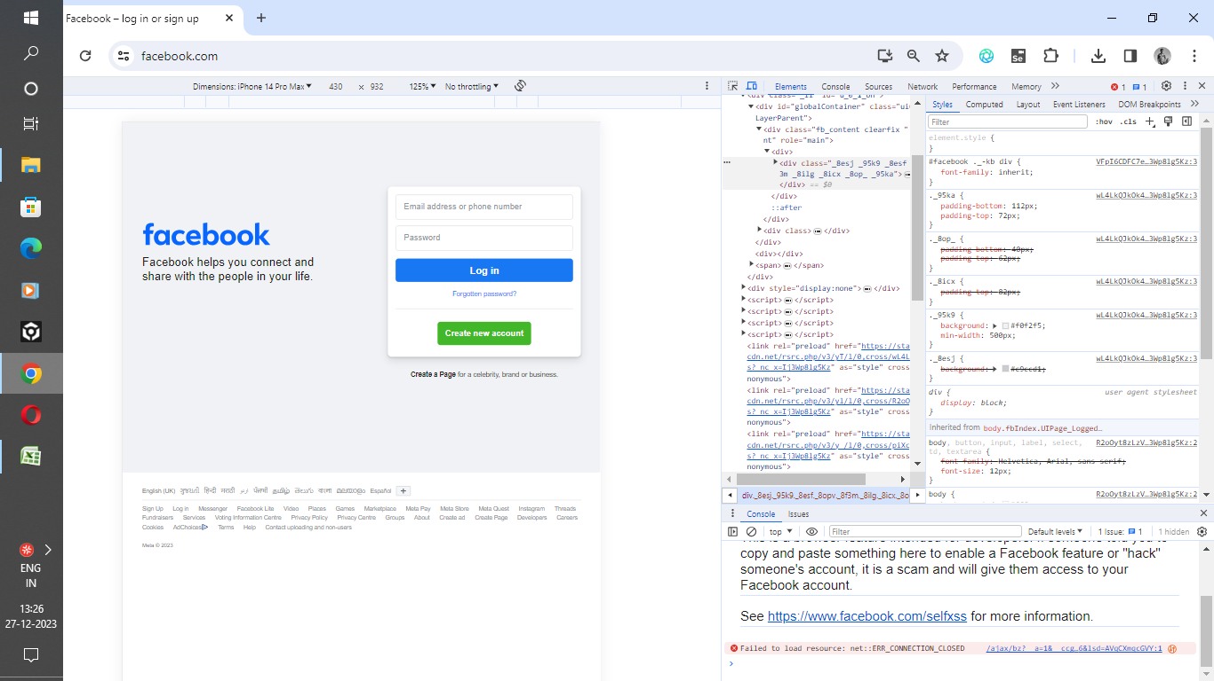
2 | IOS LAYOUT

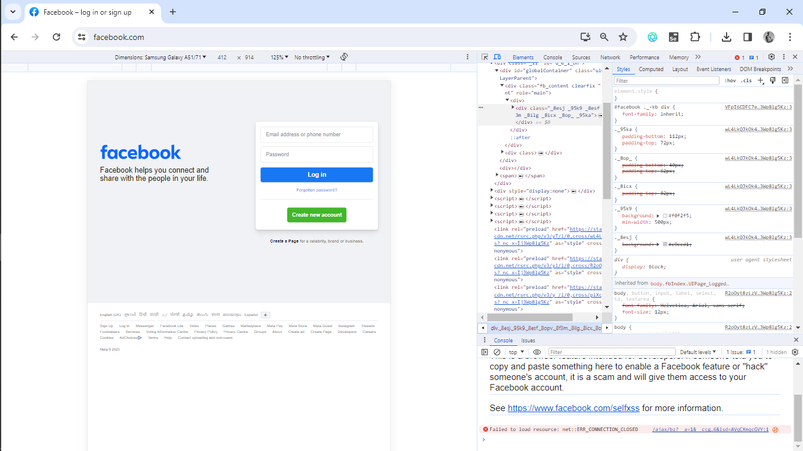
3 | SAMSUNG GALAXY A52/A71 LAYOUT

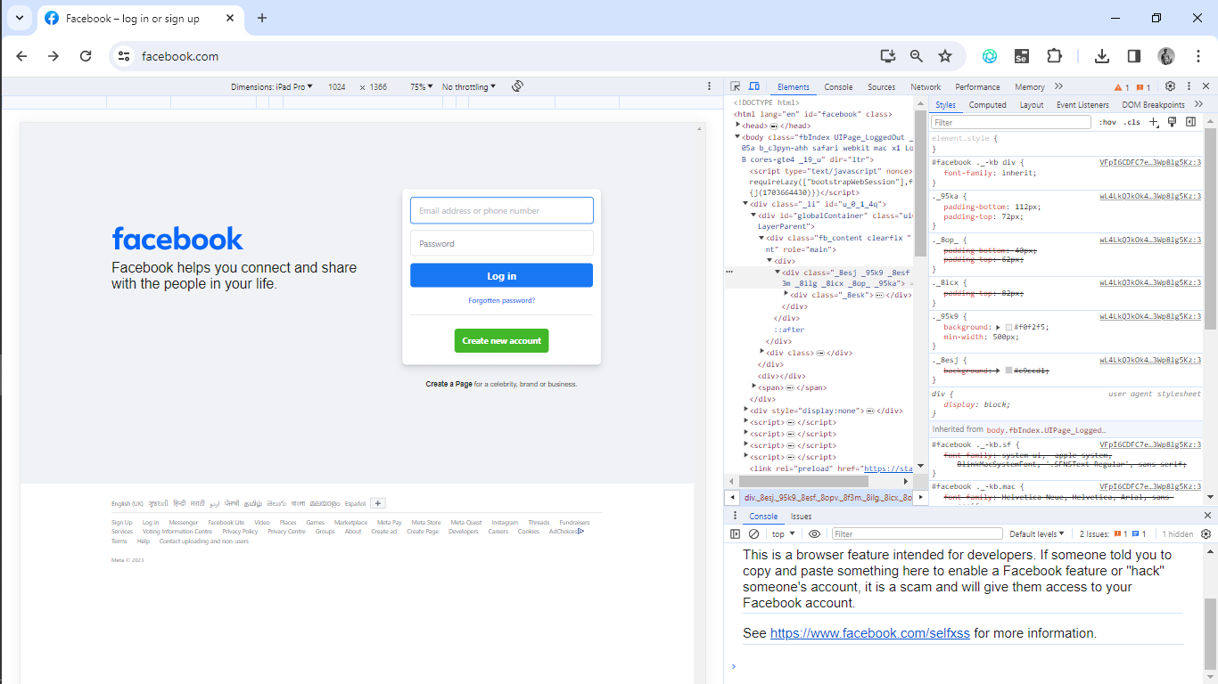
4 | I PAD PRO LAYOUT

